8. Mobile checks
Implementation Checklist | What Is It? Why Is It Important? General Recommendation |  | If it was flagged, but it looks ok: Googlebot goes to render a page - the cached version has a CSS/JS issue where Googlebot cannot access the files needed for a complete render. The missing JS/CSS causes the page to load without styling - this means Googlebot interprets things without styling - so, text that would otherwise be a different size based on the CSS class its mapped to - and that css not being available. Try copy the URL with mobile usability issues and add a parameter to the end of it i.e. ?test=123 Then, run it through Google's mobile friendly testing tool with and without the parameter - if the parameter driven version shows no issues than your caching plugin will be causing the issue.
Priorities & Status
Address | Issues | Screenshots (If have) | Specific Instructions (If have)
 |  | 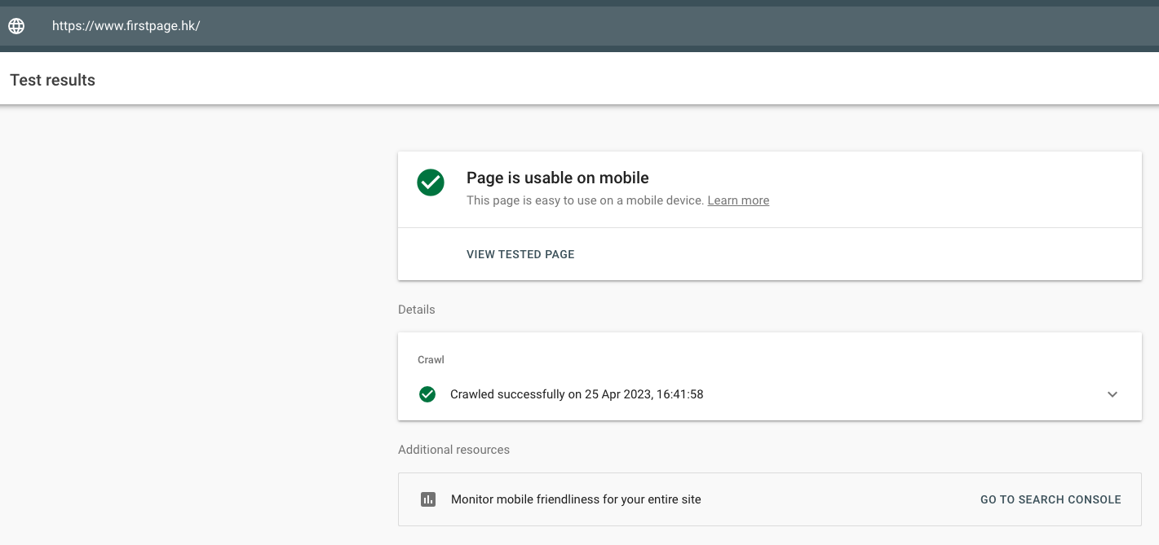

10. Robots.txt
Implementation Checklist | What Is It? Why Is It Important? General Recommendation
Priorities & Status
Put new robots.txt here
Rules To Add (Tested) / Remove | URL Example | Remarks | Screenshots (If have)
Please do not use the Disallow: */? to disallow all parameters. Parameters can be useful in their own way, if we disallow crawls entirely, it could potentially affect Google's ability to identify high crawl depth URLs. | https://www.example.com/robots.txt | Each domain, including subdomains, must have their own robots.txt file. The robots.txt file can be inadvertently used to block good content which is supposedly crawled and indexed. | 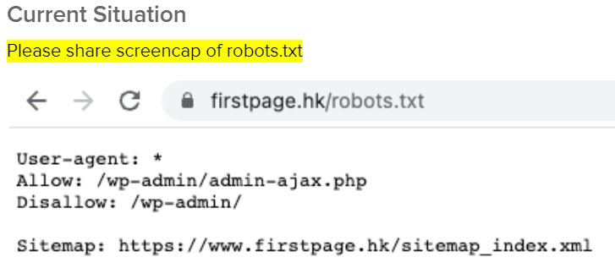

11. Sitemap
Implementation Checklist | What Is It? Why Is It Important? General Recommendation
Priorities & Status
Sitemaps | URLs Example | Instructions | Screenshots (If Applicable)
 |  |  | 